Instructions
 |  | Record of Attendance - Flexible Hours

 |  | A staff member (HEW Level 1 - 7) may work a Flexi-time or Voluntary Banked Time (VBT) arrangement where mutually agreed between the Supervisor and the staff member. Flexi-time or VBT arrangements should only be used where there is a genuine requirement for the staff member to work additional hours in order to meet a peak in workload, or to assist a staff member to balance their work commitments and personal circumstances where it is of mutual benefit to the organisation unit and the staff member.

 |  | For further information please see PPL 5.55.05. Hours of Work, Overtime and Staff Attendance (Professional Staff)

This instruction guide will cover the following:
1. How to set up your timesheet for the first time
1.a. How to set up your timesheet for a mid-year commencement
2. How to fill out the timesheet and how it works
3. Public holidays
4. Storing timesheets
5. Other support and resources

1. How to set up your timesheet for the first time

If you are commencing Mid-year, please refer to: |  |  | Section 1.a. How to set up your timesheet for a mid-year commencement.

Step 1
Step 1 | Enter your name, position number, employee ID (Aurion Number) and organisation unit. You can find your employee ID in Workday in your profile page under the summary section. If you have multiple placements please ensure you enter the position number allocated to your position.

Step 2 | Enter your work pattern on row 8. The timesheet is set up with a default full time work pattern which is Monday to Friday with a standard day being 7:15 hours. If you work part-time, have a 9 day fortnight, or have another variation to a standard full time work pattern you will need to overwrite the hours in this row (Row 8). When you make these changes to the worksheet the same pattern will then carry through to the future pay periods. An example part-time work pattern is shown below. On days that are non work days you enter "0:00".
Step 2

Note: | If changing your work pattern mid-year, please enter your new work pattern on the fortnight in which this will commence.
 | If you are a part-time staff member, you may need to review and remove any public holidays which do not apply to your working pattern in row 23 of each fortnight.

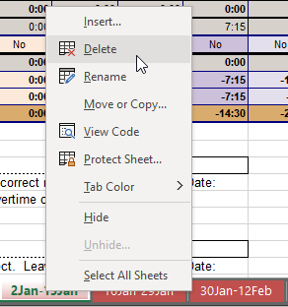
Step 1
1.a. How to set up your timesheet for a mid-year commencement

Step 1 | Delete the pages for each fortnight prior to your commencement. (On the tab at the bottom on the spreadsheet, right-click, then select Delete).

Step 2
Step 2 | On the page for the fortnight in which you commenced, in the fortnight field (Cell D2), enter the date for the first date of the fortnight as DD/MM/YYYY. (This date will be listed as the name of the tab e.g. 15Jan is 15/01/2021).

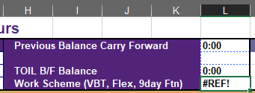
Step 3 | In the Previous Balance Carry Forward and TOIL B/F Balance fields (Cells L2 and L4) enter 0. In the Work Scheme field (Cell L5), enter your work scheme (VBT, Flex or 9day Ftn).
Step 3

Step 4 | Follow the remaining steps under Section 1. How to set up your timesheet for the first time to complete your personal details and work pattern.

2. How to fill out the timesheet and how it works

Staff must record their attendance at work through the completion of a timesheet and are encouraged to fill out their timesheets daily. Time entered must be done in the 24 hour format. For example 1:30pm should be entered as 13:30. Start and end times should be recorded in 15 mintue blocks. To fill out the timesheet you enter the time you started work and the time you ended work. Lunch/meal breaks are reflected by the gap in the times entered. In the below example Lunch is taken at 12:30 to 13:15 (45 minutes). Lunch breaks (excluding Shift Workers) You need to take an unpaid lunch break of at least 30 minutes after five (5) hours work if you work: - for at least six (6) hours; and - unless your Supervisor directs you otherwise. (UQ EA Clause 69.2d) This lunch break is not paid and should be recorded on your timesheet. If you work for at least six hours, you will be allowed an unpaid meal break of 45 minutes in accordance with the Enterprise Agreement. Flexitime/Voluntary Bank must be pre-approved by the Authorised Officer (supervisor) prior to the work being done. This time is automatically calculated by the worksheet, based on the work pattern you have entered in the top row (see Step 2 above). In the below example, it shows how the VBT is automatically added to the balance and also deducted when the Flexitime/VBT is taken. On Tuesday the staff member worked an extra 30 minutes so at the bottom you can see that 30 minutes has been added to the Flexitime/VBT balance. On the Wednesday, this staff member finished work 30 minutes early and so they have taken the 30 minutes of Flexitime/VBT that was accrued from the previous day. Now their Flexitime/VBT is zero.
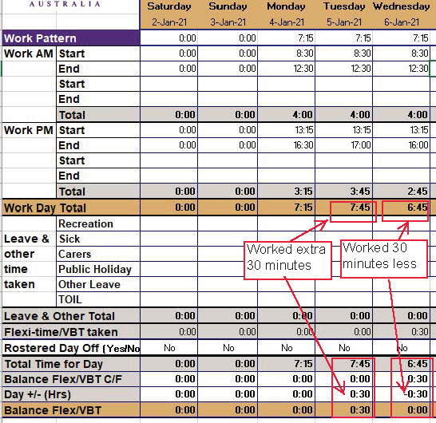

Leave & other time taken
In this section you will need to record any leave taken. You will also need to ensure that all leave is submitted in Workday. If you are taking a full day of VBT/Flexitime you do not enter details into this section. On the day you are taking Flexitime/VBT in section with the Start/Finish rows you would leave this all as "0:00". The worksheet will work out that whole day is taken as Flexitime/VBT and automatically deduct this from your balance. You will however need to apply for Flexitime/VBT in Workday. This is to ensure the University has an accurate record of your attendance for WH&S.

Fortnightly Summary
Once all entries for the fortnight have been entered you can view a summary of your timesheet. This information is automatically calculated based on the information you have entered.

Overtime & TOIL
Any overtime must be pre-approved by the Authorised Officer (supervisor) prior to the work being done. The calculation and rate of overtime will be dependent on the category (job family) of staff and their ordinary span of hours. Please discuss this with your supervisor as to what applies for you and for further information please see the University of Queensland's Enterprise Agreement 2018-2021 - Hours and Work Patterns. The hours of overtime worked are to be recorded in the section "Record of Attendance- Overtime". The staff member will also need to complete an Overtime Claim Form to the Authorised Officer.

Overtime Claim Form
Overtime Claim Form Guide
University of Queensland's Enterprise Agreement 2018-2021

3. Public Holidays

Public holdiays are entered as per the QLD Government Public Holidays schedule https://www.qld.gov.au/recreation/travel/holidays/public
For Show holidays, this worksheet only has The Ekka public holdiay entered for date specific to the Brisbane region. For staff working outside of the Brisbane region they will need to delete this entry and add the hours against the relevant date for their region.

If you are working part-time you will need to delete the pre-filled public holidays that fall on your non work days.

4. Storing & Approval of timesheets

A staff member (HEW 1-7) must record their attendance at work through the completion of a timesheet. Supervisor/Authorised officers should be reviewing and approving timesheets on a fortnightly basis. Staff attendance records, including records of overtime, must be retained in organisational units for audit purposes for seven years. This is to be maintained locally between you and your supervisor, you do not need to submit HR. Please speak to your supervisor about what the local arrangments are for your organisation unit.

5. Other support & resources

If you need any further assistance with setting up or completing timesheet, or experience any errors on your timesheet please contact: |  |  |  | AskHR

